Sheet1
 |  | Document No. | Issue No. |  | Issue Date |  |  | Review and Replace Date |  | Authorised By
 |  | GFF0117MC | 2 |  | 05.09.2019 |  |  | 01.07.2020 |  | Magda Shah
 |  | Document Title | SUNFLOWER MINCE BOLOGNESE WITH SWEET POTATO MASH 465g
Document amendments reason for change |  | Pine Nuts roasted inhouse |  | Page 1 of 1 |  | Previous Issue Date |  |  | 05.09.2019 | Uncontrolled copy unless signed original

FBSBSP-R8TMC | MINDFUL CHEF |  | SUNFLOWER MINCE BOLOGNESE WITH SWEET POTATO MASH 465g │ FROZEN
STEP 1 |  |  |  |  |  |  | STEP 2
 |  |  |  |  |  |  | 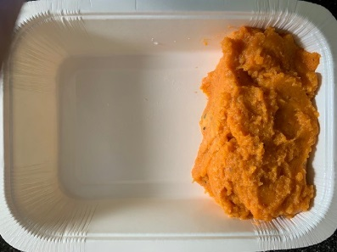

Tray: WHITE OVENABLE BOARD TRAY (PKSOU002-01) |  |  |  |  |  |  | Sweet Potato Mash (GFF232R): 170g
Film: 145 X 100 X 250 (PKWRA001-07)
STEP 4 |  |  |  |  | STEP 5
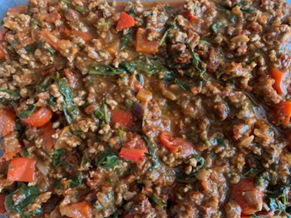 |  |  |  |  | 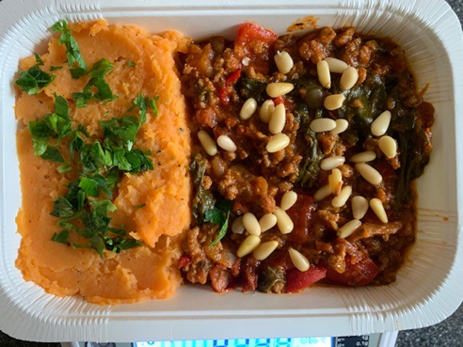

Sunflower Mince Bolognese Sauce (GFF273R) 290g |  |  |  |  | Parsley Chopped (RTE) (RMIHF001-59) 1g |  |  |  | Pine Nuts (GFF309R) 4g |  | TOTAL WEIGHT: 465g

ALLERGY ALERT: none

